COVID-19 Dashboard
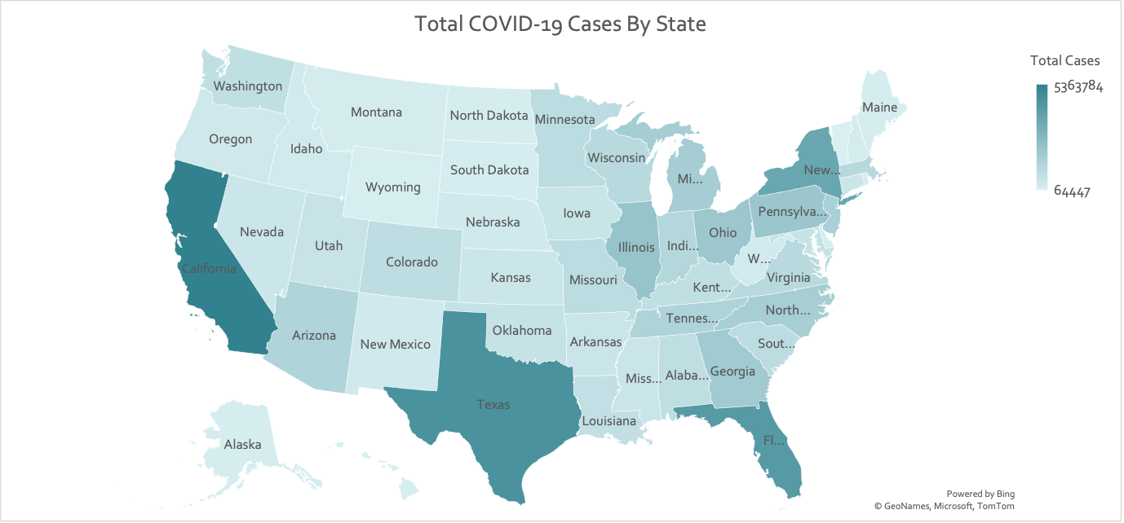
Top 10 States with Highest Active Covid-19 Cases
 | Total
New York | 1020765
Florida | 517268
Washington | 505852
Michigan | 439524
New Jersey | 357138
Illinois | 355863
Colorado | 251035
Georgia | 243252
Ohio | 233817
Texas | 185225
Top 10 States with Highest Active Covid-19 Cases
 | Total
New York | 1020765
Florida | 517268
Washington | 505852
Michigan | 439524
New Jersey | 357138
Illinois | 355863
Colorado | 251035
Georgia | 243252
Ohio | 233817
Texas | 185225
United States COVID-19 Dashboard
Total Cases

54,357,146

Active Cases

5,430,276

Total COVID-19 Cases vs. Recovered
 | Sum of Total Cases | Sum of Total Recovered
Alabama | 896616 | 0
Alaska | 151583 | 133747
Arizona | 1381488 | 1257979
Arkansas | 566486 | 535412
California | 5363784 | 0
Colorado | 929275 | 667706
Connecticut | 510188 | 409396
Delaware | 180366 | 152863
Florida | 4213301 | 3633553
Georgia | 1839879 | 1565184
Hawaii | 112932 | 0
Idaho | 319382 | 137875
Illinois | 2149548 | 1762668
Indiana | 1246854 | 1108422
Iowa | 619958 | 524717
Kansas | 519544 | 454230
Kentucky | 856145 | 0
Louisiana | 828695 | 0
Maine | 146736 | 0
Maryland | 700553 | 0
Massachusetts | 1140614 | 0
Michigan | 1710271 | 1241728
Minnesota | 1007990 | 982689
Mississippi | 543737 | 506487
Missouri | 1006913 | 815279
Montana | 197724 | 192077
Nebraska | 340832 | 0
Nevada | 501181 | 450377
New Hampshire | 198667 | 187365
New Jersey | 1564253 | 1178078
New Mexico | 350043 | 303418
New York | 3585497 | 2504721
North Carolina | 1686667 | 1538231
North Dakota | 174175 | 170135
Ohio | 2016095 | 1752831
Oklahoma | 708938 | 0
Oregon | 421263 | 374583
Pennsylvania | 2036424 | 0
Rhode Island | 231096 | 0
South Carolina | 975320 | 883505
South Dakota | 179204 | 168395
Tennessee | 1427052 | 0
Texas | 4582048 | 4320686
Utah | 636992 | 605118
Vermont | 64447 | 51056
Virginia | 1118518 | 0
Washington | 853403 | 337643
West Virginia | 328162 | 311809
Wisconsin | 1120669 | 0
Wyoming | 115638 | 112785
Recovered

31,332,748

Deaths

821,775

